Sheet1
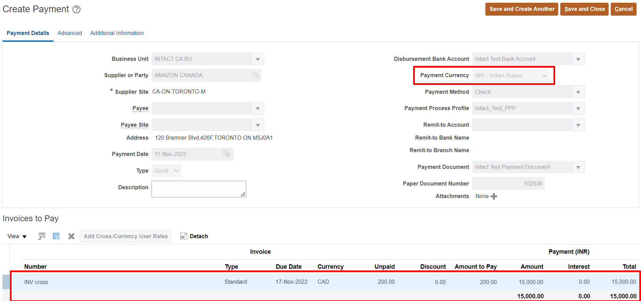
Cross Currency Payments Configuration & Process
Business Scenerio
We have to create the invoice in CAD and process the payment in INR

Setups
1. Define Daily Rates (CAD - INR) | Task | Manage Daily Rates
2. Enable the check box " Multi currency Account" at Bank Account Level. | Task | Manage Bank Accounts

Process
1. Create Invoice in CAD
2. Process Payment in INR

Setups
1. Define Daily Rates
Task: Manage Daily Rates
*Here check whether the rates are available or not in the system
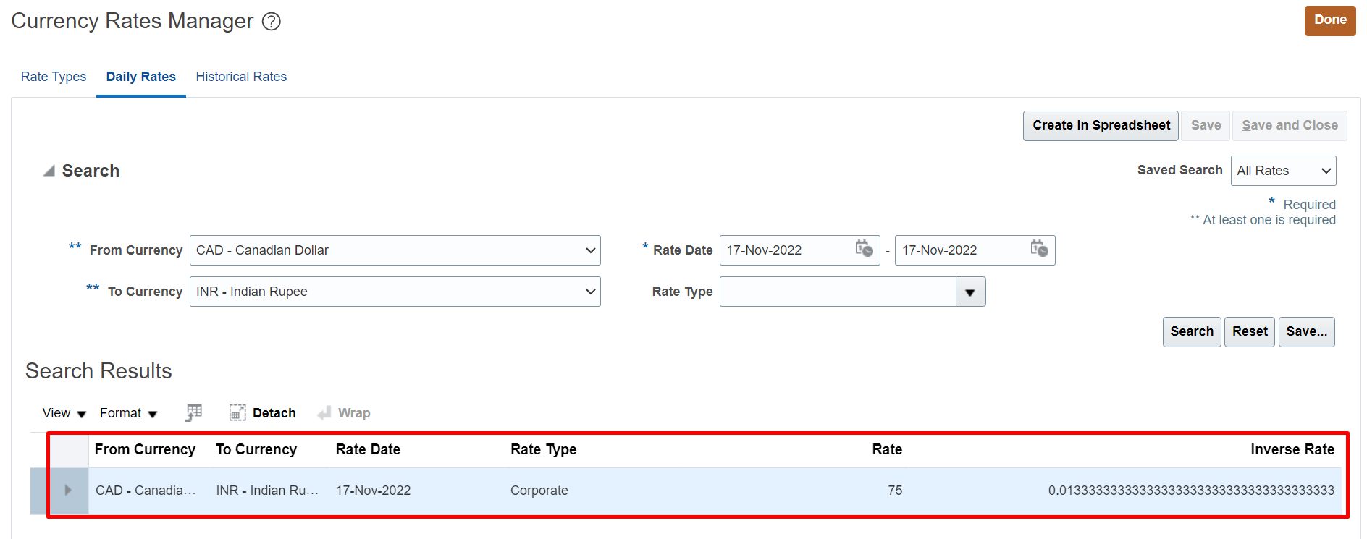

2. Enable the check box " Multi currency Account" at Bank Account Level.
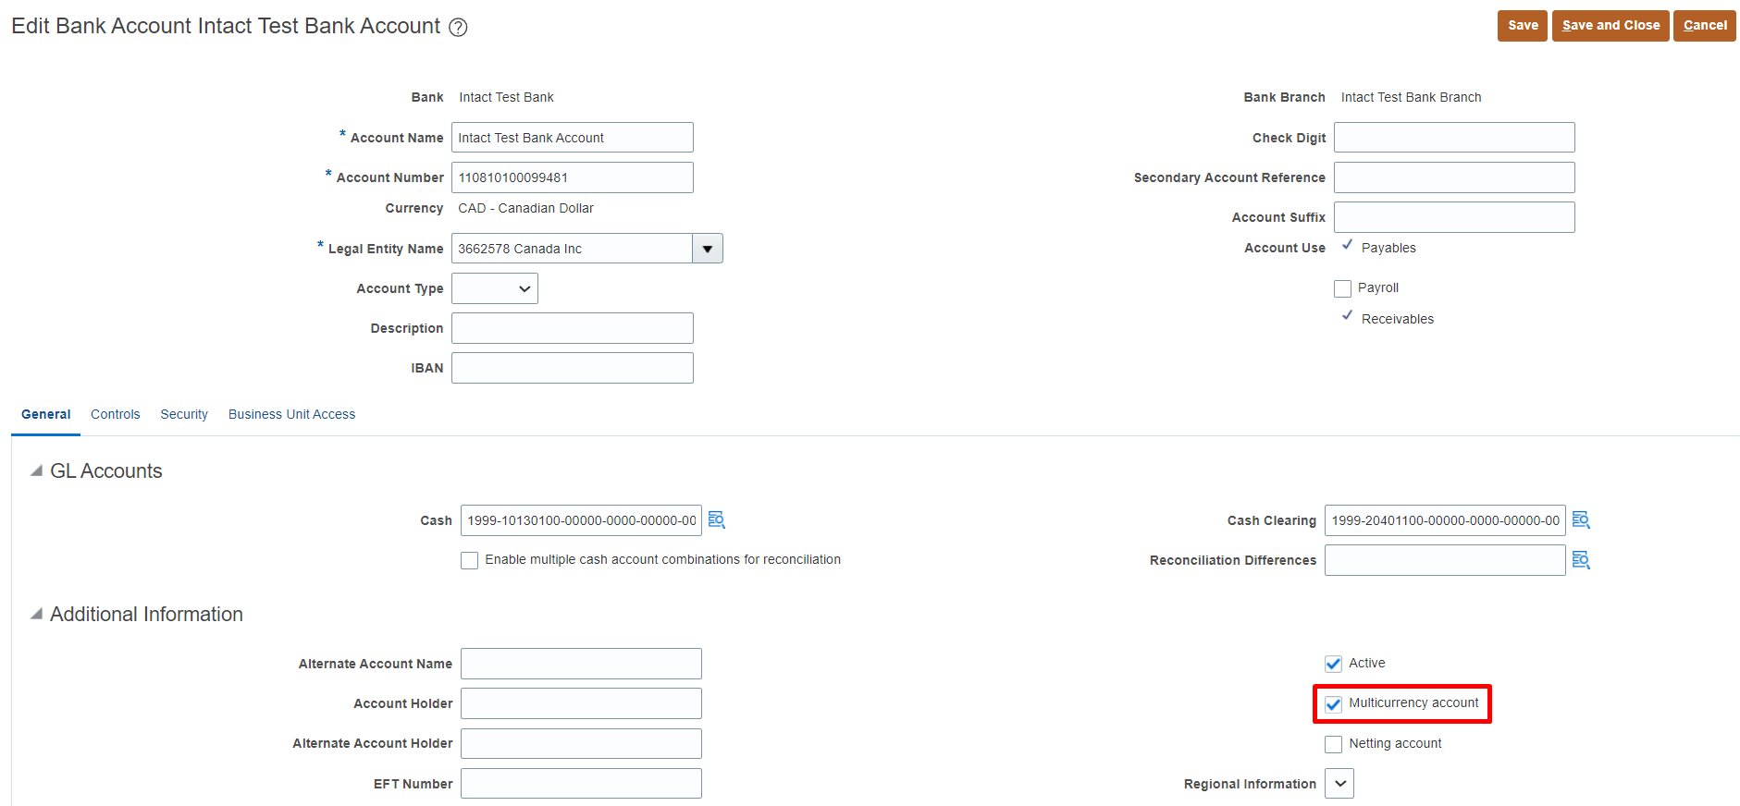

Process
1. Create Invoice in CAD
2. Process Payment in INR

1. Create Invoice in CAD
Path: Payables >> Invoices >> Taskpane >> Create Invoice
Note: Here at the time of invoice creation only we have to select the payment currency with which we have to pay the invoice
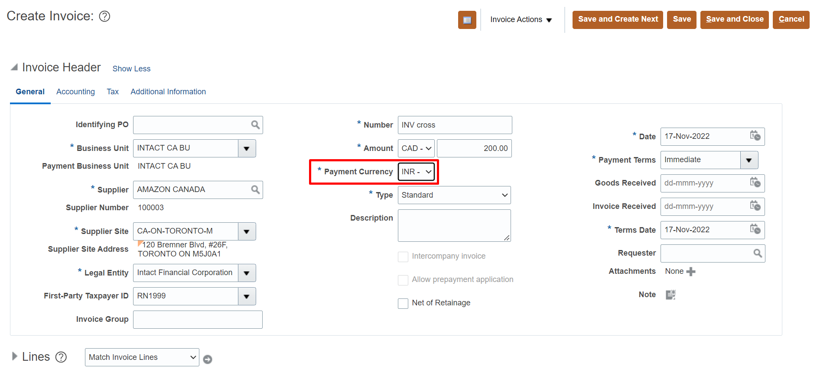

2. Process Payment in INR
Path: Payables >> Payments >> Taskpane >> Create Payment

